TCT
0 km complaints - New Topics (comparing to previous month) | Topic | Customer | Project | No of nonconforming parts | Repeated issue | D3 | D4 | D5 | D6 | D7 | Complaint / Issue | Root Cause | Responsible | Measures | Risk | Status | LL | Field complaints | Topic | Customer | Project | Incidents known | Repeated issue | D3 | D4 | D5 | D6 | D7 | Complaint / Issue | Root Cause | Responsible | Measures | Risk | Status | LL
 | 1 | Chery | F4J20 | 1 | No | 2 | 1 | 1 | 1 | 1 | 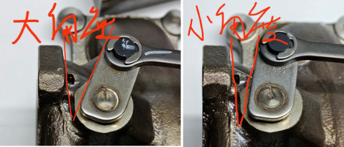 E-actuator learning out of limits. Cherry F4J20 0KM customer claim in Fuzhou plant. Error code P003A21. | In investigation, focus is on data communication in welding station (hardware, data cable) | Jian Tao | 1. All stock at customer side and in house were sorted. No more failure detected (4800pcs). 2. MES recorded checked, no abnormal detected. |  | 1 |  |  | 1 |  |  |  |  | 2 | 1 | 0 | 0 | 0 |  |  |  |  |  | 2
 | 2 |  |  |  |  |  |  |  |  |  |  |  |  |  |  |  |  |  | 2 |  |  |  |  | 2 | 1 | 1 | 0 | 0 |  |  |  |  |  | 2
 | 3 |  |  |  |  |  |  |  |  |  |  |  |  |  |  |  |  |  | 3
 | 4 |  |  |  |  |  |  |  |  |  |  |  |  |  |  |  |  |  | 4
 | 5 |  |  |  |  |  |  |  |  |  |  |  |  |  |  |  |  |  | 5

0 km complaints - Previous month topics - still open | Topic | Customer | Project | No of nonconforming parts | Repeated issue | D3 | D4 | D5 | D6 | D7 | Complaint / Issue | Root Cause | Responsible | Measures | Risk | Status | LL
 | 1 |  |  |  |  | 2 | 1 | 0 | 0 | 0 |  |  |  |  |  | 2 | x
 | 2 |  |  |  |  |  |  |  |  |  |  |  |  |  |  |  | x
 | 3 |  |  |  |  |  |  |  |  |  |  |  |  |  |  |  | x
 | 4
 | 5

 |  | 0
 |  | 1
 |  | 2

